TECHNICAL SHEET GARMENT
 |  |  | TECHNICAL SHEET GARMENT |  |  | WINTER 2018/19
LFV11442 |  | ULSTER ZIP-IN JKT |  |  |  | INDEX | V1
DATE | 2020-01-03 |  | DEVELOPPER: |  | Marjorie | SUPPLIER : | PRIMA CHANNEL
FABRICS / SUPPLIERS : PFM0025 3L / FLYINGTEX
 |  |  |  | OUTER JACKET OF LFV11443
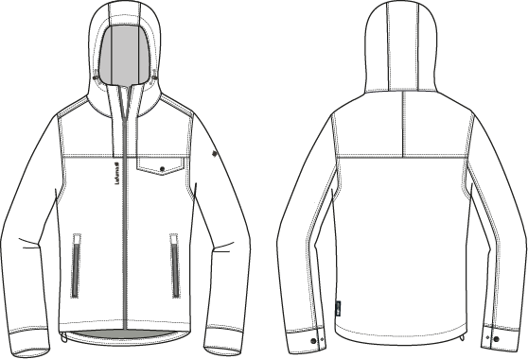

TO Amenda,
fm Elsa 12/18/17

MEN JKT COUNTER SAMPLE
 |  | COUNTER SAMPLE |  |  |  |  |  |  |  |  |  | WINTER 2018/19
LFV11442 |  |  | ULSTER ZIP-IN JKT |  |  |  |  |  |  |  |  | INDEX | V1
DATE | 2020-01-03 |  |  | DEVELOPPER: | Marjorie |  |  |  |  |  |  | SUPPLIER : | PRIMA CHANNEL

 | MEASUREMENTS TAKEN ON FINISH PRODUCT
OUTER JACKET |  |  |  |  | ALLOWANCES | Measures to follow for making 1st c/s SIZE | 1st sample LFV11443 measures the 15/06/2017 | Measures to improve | 2nd sample of LFV11443 measured the 24/07/2017 | Measures to follow for making SMS | Measures of highlight LFV11443 OUTER JACKET | Measures to follow for BULK
FRONT JACKET MEASUREMENTS (IN CM) |  |  |  |  |  | M | M | M | M | M | M | M
B | FRONT BREADTH AT 15CM FROM HPS |  |  |  | +/- 0,5 cm | 44 | 44 | 42 | 42 | 42 | 42.5 | 42
C | 1/2 CHEST ROUND |  |  |  | +/- 1 cm | 59 | 59 |  | 58.5 | 59 | 58.5 | 59
D | 1/2 WAIST ROUND AT 44CM FROM HPS |  |  |  | +/- 1 cm | 57 | 56.5 |  | 56.5 | 57 | 57 | 57
IA | 1/2 BOTTOM ROUND RELAXED |  |  |  | +/- 1 cm | 57 | 56.3 |  | 57 | 57 | 56.5 | 57
JA | TOTAL LENGHT FROM HPS |  |  |  | +/- 1 cm | 74 | 74 |  | 73 | 74 | 74.5 | 74
JC | FRONT YOKE HEIGHT |  |  |  | +/- 0,5 cm |  | 20 |  | 19 | 19 | 19 | 19
KA | SHOULDER LENGHT |  |  |  | +/- 0.5 cm | 13.5 | 13.5 |  | 13.5 | 13.5 | 14 | 13.5
KD | ARMHOLE HEIGHT - FOLLOWING ARMHOLE ROUND |  |  |  | +/- 0.5 cm | 24.5 | 25 |  | 24 | 24.5 | 24.5 | 24.5
LA | 1/2 UPPER ARM WIDTH |  |  |  | +/- 0,5 cm | 23.5 | 23 |  | 23.5 | 23.5 | 23.5 | 23.5
LB | 1/2 ELBOW WIDTH AT 30CM FROM BOTTOM |  |  |  | +/- 0,5 cm | 18.5 | 18.5 |  | 18.5 | 18.5 | 19 | 18.5
LC | 1/2 CUFF WIDTH RELAXED |  |  |  | +/- 0,5 cm | 14.5 | 14 |  | 14 | 14.5 | 14.5 | 14.5
MH | CUFF HEIGHT |  |  |  | +/- 0,5 cm | 6 | 6.3 |  | 6 | 6 | 6 | 6
N | TOTAL SLEEVE LENGHT |  |  |  | +/- 1 cm | 67 | 67 |  | 67.3 | 67 | 67.3 | 67
BACK JACKET MEASUREMENTS (IN CM)
R | BACK BREADTH AT 15CM FROM HPS |  |  |  | +/- 0,5 cm | 46 | 45.5 |  | 46 | 46 | 46 | 46
S | CENTER BACK LENGTH |  |  |  | +/- 1 cm | 74 | 74 |  | 74 | 74 | 74 | 74
S1 | BACK YOKE HEIGHT |  |  |  | +/- 0,5 cm | 0 | 19.5 |  | 20 | 20 | 20 | 20
COLLAR MEASUREMENTS (IN CM)
UA1 | NECK WIDTH |  |  |  | +/- 1 cm | 22 | 21 |  | 22.5 | 22 | 22 | 22
UA2 | FRONT NECK DEPTH |  |  |  | +/- 1 cm | 9.5 | 8.5 | 9.5 | 9 | 9.5 | 9 | 10
UB1 | NECKLINE LENGHT |  |  |  | +/- 1 cm | 56 | 58 |  | 58 | 58 | 58 | 59
HOOD MEASUREMENTS (IN CM)
VA | HOOD LENGTH |  |  |  | +/- 1 cm | 50 | 49.5 |  | 50 | 50 | 51 | 50
VB | HOOD WIDTH AT 18CM FROM BACK NECKLINE |  |  |  | +/- 0,5 cm | 26 | 26 |  | 27 | 26 | 26 | 26
VHA | HOOD HEIGHT ON FRONT |  |  |  | +/- 0,5 cm | 34.5 | 35 |  | 35 | 35 | 34.5 | 34.5
VHB | HOOD HEIGHT ON SHOULDER POINT |  |  |  | +/- 0,5 cm | 35.5 | 35.5 |  | 35.5 | 35.5 | 36 | 35.5
VE | CHIN HEIGHT |  |  |  | +/- 0,5 cm | 9 | 9.5 |  | 9 | 9 | 9 | 9
OTHER MEASUREMENTS (IN CM)
Z1 | MIDDLE FRONT ZIPPER LENGHT |  |  |  | +/- 0,5 cm | 74 | 73 | 74 | 73 | 74 | 74 | 74
Z2 | FRONT POCKET LENGHT |  |  |  | +/- 0,5 cm | 18 | 18 |  | 18 | 17 | 18 | 17
Z4 | CHEST POCKET LENGHT |  |  |  | +/- 0,5 cm | 17 | 17 | 16 | 15.5 | 16 | 16 | 16

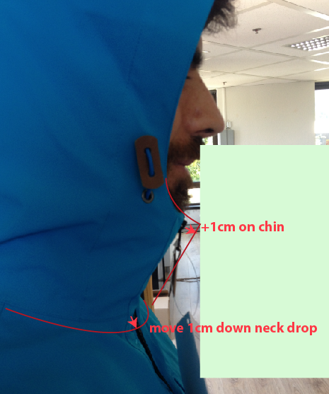
Comment on 1st sample LFV11443 outer jacket the 16/04/2017
OUTER JACKET of LFV11443
Reduce front breadth by 2cm to have 42cm
Reduce chest pocket width by 1cm to have 16cm
Move 1cm down front neck drop + Increase collar on chin (refer to picture)
Move 1,5cm toward front bottom pocket
Reduce bottom hem by 0,5cm to have 2cm
Increase front lenght by 1cm, to leave a gap between bottom hem and connecting zipper
Reduce by 0,5cm the flap wich hide connecting zipper inside
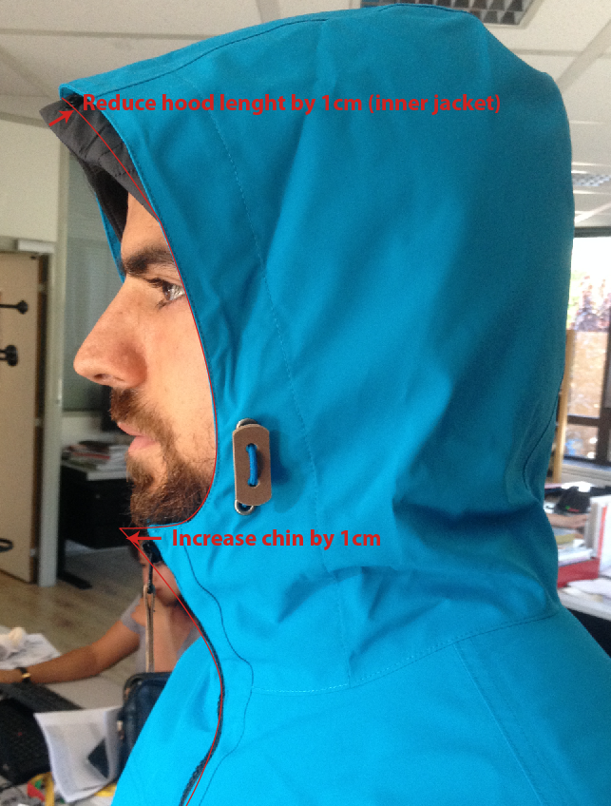
OUTER JACKET of LFV1143, applied same modification, don't need sample, wait for approval of LFV11443

Comments on 2nd sample of LFV11443 in Taipei the 14/07/2017
OUTER JACKET of LFV11443
Remove full seam tape, use overlock + stitching
Remove cord adjuster leather and drawstring, replace by Elastic string + stopper + pearl
Add seam on top yoke left side over flap pocket
Remove tab adjustement on back hood (velcro)
Use new zipper puller ZP072, only on front zipper
Use mesh on top layer of chest pocket bag
Remove Technowarm Hang Tag
Leave a gap between bottom hem and connecting zipper arround 2cm to insert connecting zipper easely
Move down embroidery lafuma

Comments on 2nd sample of LFV11443 in France the 24/07/2017
OUTER JACKET
Increase chin by 1cm (see picture)
Increase front zipper by 1cm

Follow comments for making SMS

Comments after sales meeting the 21/11/2017
HANT TAG
Hang tag corporate and climactive must be small HT-394082-E and HT-394146-E

OUTER JACKET
Add seam tape tone on tone (grey) on full garment (back fabric)
To pass the puller of inner jacket easely, please follow comment on picture
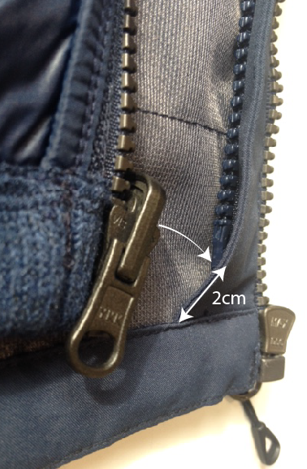
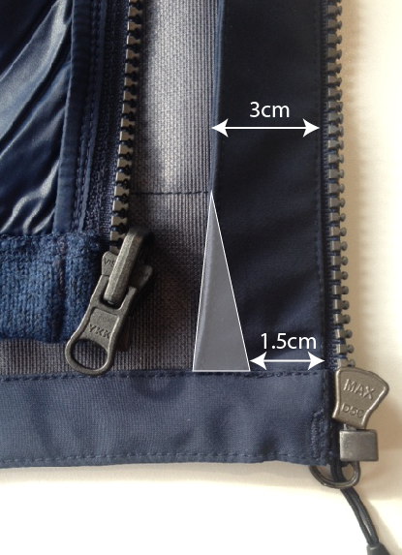

Flap width on bottom must measured 1,5cm
bottom of connnecting zipper must be at 2cm from hem stitching

MEASURES OUTER JACKET
Increase front neck drop by 1cm to have 10cm i/o 9cm on SMS

Please send comformity sample to France

COMMENTS
 |  | COUNTER SAMPLE |  |  |  |  | WINTER 2018/19
LFV11442 |  |  | ULSTER ZIP-IN JKT |  |  |  | INDEX | V1
DATE | 2020-01-03 |  |  | DEVELOPPER: | Marjorie |  | SUPPLIER : | PRIMA CHANNEL

Comments after sales meeting the 21/11/2017
HANT TAG
Hang tag corporate and climactive must be small HT-394082-E and HT-394146-E |  |  |  |  |  | 吊牌改為用#HT-394082-E (i/o #HT-394081-E)
 |  |  |  |  |  | 吊牌改為用#HT-394146-E (i/o #HT-394133-E)
OUTER JACKET
Add seam tape tone on tone (grey) on full garment (back fabric) |  |  |  |  |  | 整件全封條
To pass the puller of inner jacket easely, please follow comment on picture |  |  |  |  |  | 請依下圖修正讓內門襟拉鍊的拉頭容易拉出

Flap width on bottom must measured 1,5cm
bottom of connnecting zipper must be at 2cm from hem stitching

內門襟拉鍊的底部必須高於下擺剪接2CM
內門襟拉鍊蓋片底部改為1.5CM

MEASURES OUTER JACKET
Increase front neck drop by 1cm to have 10cm i/o 9cm on SMS |  |  |  |  |  | 前領深增加1CM, 改為10CM。

Please send comformity sample to France |  |  |  |  |  | 請依以上修正後提供核可樣至法國

bottom of connnecting zipper must be at 2cm from hem stitching
bottom of connnecting zipper must be at 2cm from hem stitching

DETAILS OUTER JKT 1
 |  | DETAILS OUTER JKT |  |  |  | WINTER 2018/19
LFV11442 |  |  | ULSTER ZIP-IN JKT |  |  | INDEX | V1
DATE | 2020-01-03 |  |  | DEVELOPPER: | Marjorie | SUPPLIER : | PRIMA CHANNEL
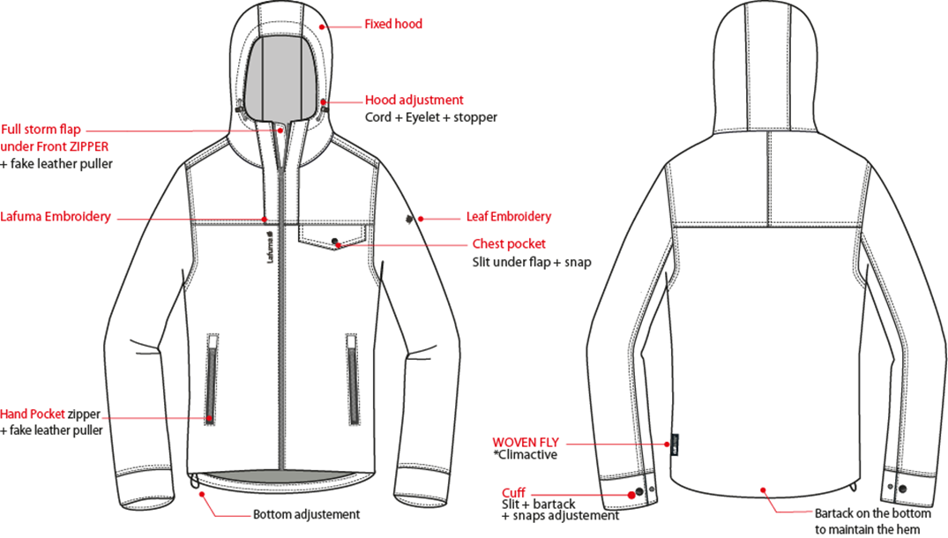
※大身&袖剪接壓1/4"雙針,帽剪接壓臨邊單針。

穿者右側長版內擋風片,壓臨邊單針。門襟車#5塑鋼拉鏈+拉片,壓臨邊線,底端兩側各打一直結。
帽簷內穿彈繩,由左/右外側各兩顆10mm雞眼穿出/入+繩釦CS-A7+小淚珠。

繡花2cm
繡花7.2cm

表布胸袋蓋,壓1/4"雙針,釘1組17mm Logo彈簧壓釦,表布袋裏手心面，MESH布手背面。

側袋車#5塑鋼拉鍊,向上拉合,壓臨邊線,上/下打橫結,上端有一表布蓋片可放入拉頭,表布袋裏手心面，MESH布手背面。

織標LW050-E

下襬內貼表布,高1",包光做法,內穿彈繩由穿者右側兩個10mm雞眼穿出/入+繩釦+小淚珠+迴紋帶(L:1.5cm),迴紋帶夾車於內貼,加打結固定。
袖口高6cm,壓臨邊單針袖口釘1組17mmLogo彈簧壓釦上半套+2組下半套,間隔4cm。可調節袖口寬。

DETAILS LINING JKT 1
 |  | DETAILS LINING JKT |  |  |  | WINTER 2018/19
LFV11442 |  |  | ULSTER ZIP-IN JKT |  |  | INDEX | V1
DATE | 2020-01-03 |  |  | DEVELOPPER: | Marjorie | SUPPLIER : | PRIMA CHANNEL
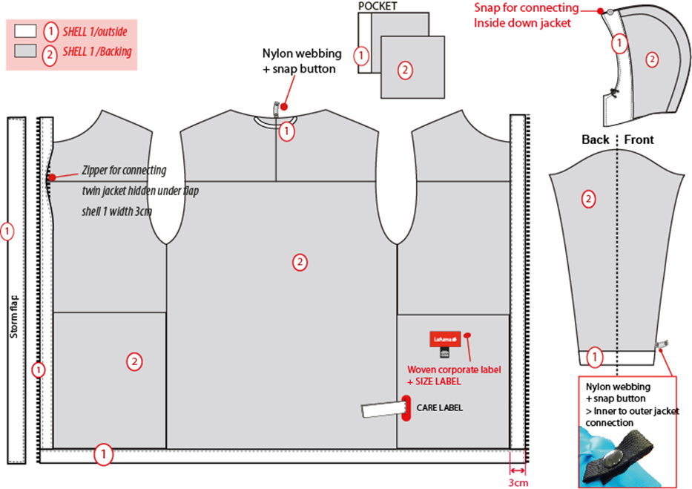
※全封條
帽簷內貼表布。帽簷內貼前中釘一組塑鋼四合釦BS053-E母釦,可與內夾扣合,內穿彈繩,由穿者左/右側各兩顆雞眼穿出/入+繩釦+小淚珠。
表布
表布背面
1cm
6cm
☆後領中有一本布掛耳,
完成尺寸:
6cm
側袋手心面表布 側袋手背面MESH布 DW187

穿者右側長版內擋風片,壓臨邊單針。

袖口內貼表布H:6CM。袖口以上7cm車迴紋帶釦絆。
主標+尺寸標車於穿者左側袋裏背面。

☆內後領圍中心x1和袖口內x2,需夾車迴紋帶(W:1/2" 內後領中心L:6cm /袖口L:5cm)+1組10mm四合釦,可與內夾克扣合用,迴紋帶要對折壓臨邊線.

表布下襬內貼H:1",包光做法
表布內門襟拉鍊蓋片寬3cm,內車#5塑鋼拉鍊,可與內夾克拉合。

zip in details
 |  | ZIP IN DETAILS |  |  |  | WINTER 2018/19
LFV11442 |  |  | ULSTER ZIP-IN JKT |  |  | INDEX | V1
DATE | 2020-01-03 |  |  | DEVELOPPER: | Marjorie | SUPPLIER : | PRIMA CHANNEL
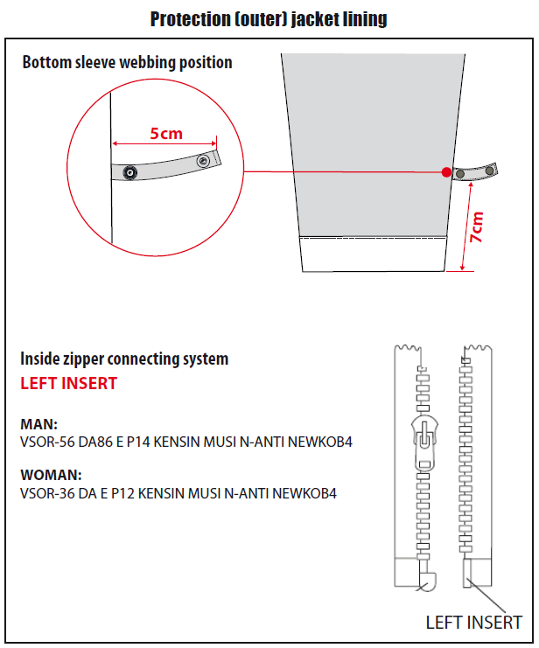

袖口以上7cm車迴紋帶釦絆(L:5cm)。

男款內門襟拉鍊:#5塑鋼拉鍊,左插右拉

COLORS DETAILS
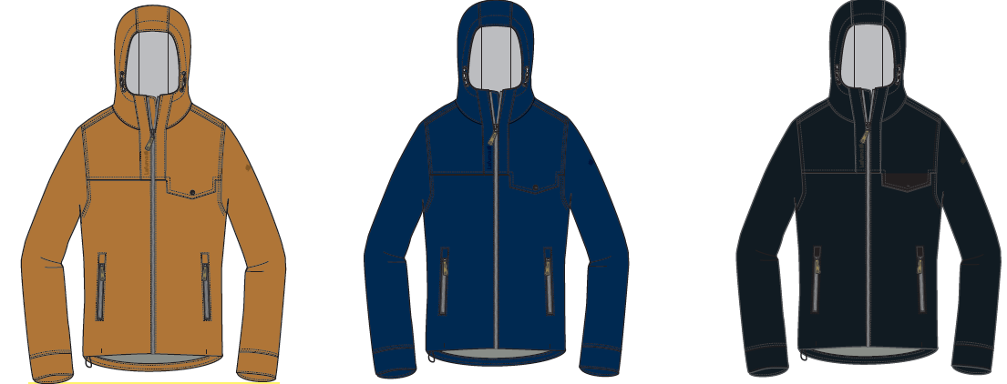
 |  | COLORS DETAILS |  |  |  | WINTER 2018/19
LFV11442 |  |  | ULSTER ZIP-IN JKT |  |  | INDEX | V1
DATE | 2020-01-03 |  |  | DEVELOPPER: | Marjorie | SUPPLIER : | PRIMA CHANNEL

COLOR COMBINATION
 |  | COLOR COMBINATION |  |  |  |  |  |  |  | WINTER 2018/19
LFV11442 |  |  |  |  | ULSTER ZIP-IN JKT |  |  |  |  | INDEX | V1
DATE | 2020-01-03 |  |  |  | DEVELOPPER: |  | Marjorie |  |  | SUPPLIER : |  | PRIMA CHANNEL
FABRIC OUTER JKT |  |  |  | SUPPLIER |  |  | BLACK 0247 | ECLIPSE BLUE 8598 | LEATHER BROWN 5583
SHELL 1 PFM0025U87 3L |  |  |  | FLYINGTEX | FULL GARMENT |  | NOIR | SAPHIR | LEATHER BROWN
FULL SEAM TAPE |  |  |  | LOCAL | FULL SEAM TAPE |  | TON/TON GREY | TON/TON GREY | TON/TON GREY
NON WOVEN |  |  |  | LOCAL | FLAPS + EMBROIDERIES BACKSIDE |  | BLACK | BLACK | BLACK
TRIMMING AND ACCESSORIES OUTER JKT
 | DESCRIPTION |  | REF | SUPPLIER | DESIGNATION | QTY | BLACK 0247 | ECLIPSE BLUE 8598 | LEATHER BROWN 5583 | S | M | L | XL | XXL
Zipper DELRIN # 5 1WAY - separable - autolock SD51MA.RT |  |  |  | MAX zipper | Front zip | 1 | BLACK TAPE : 580 TEETH : DARK NICKEL | ECLIPSE BLUE TAPE : 960 TEETH : DARK NICKEL | LEATHER BROWN TAPE : 079 TEETH : DARK NICKEL
Zipper DELRIN # 5 1WAY - non separable - NON LOCK SD51MA.RT |  |  |  | MAX zipper | 2x Pocket zipper | 2 | BLACK TAPE : 580 TEETH : DARK NICKEL | ECLIPSE BLUE TAPE : 960 TEETH : DARK NICKEL | LEATHER BROWN TAPE : 079 TEETH : DARK NICKEL
Zipper VISLON #5 (left insert) 1WAY - separable - autolock - VSOR-56 DA86 E P14 KENSIN MUSI N-ANTI NEWKOB4 |  |  |  | YKK | 1x Jacket connection | 1 | BLACK 580 | ECLIPSE BLUE 960 | LEATHER BROWN 079
cord puller |  |  | ZP072-E | DRAGON TIMES | 1x Front zipper | 1 | NOIR | NOIR | NOIR
17mm FLAT METAL SNAP (male & female parts) |  |  | BS053-E Short tube | UNITEX ref# 113-35205-C04426 | 2x Cuff tab 1x chest pocket flap | 3 | BLACK S9998 | BLACK S9998 | BLACK S9998
17mm FLAT METAL SNAP (male part) |  |  |  | LOCAL | 2x Bottom sleeve | 2 | ANTIC SILVER | ANTIC SILVER | ANTIC SILVER
10mm METAL EYELET |  |  |  | LOCAL | 4x Front hood adjustment 2x bottom adjustement | 6 | ANTIC SILVER | ANTIC SILVER | ANTIC SILVER
CORD STOPPER 20MM |  |  | EIS15U-XMSTP01 | UNITEX | 1x bottom adjustment | 1 | NOIR | SAPHIR | NOIR
SMALL CORD STOPPER 20MM |  |  | CS-A7 | UNITEX | 2x Front hood adjustment | 2 | NOIR | SAPHIR | NOIR
PLASTIC PEARL |  |  | CP-A1 | UNITEX | 2x Front hood adjustment | 2 | NOIR | SAPHIR | NOIR
2,5mm ELASTIC CORD |  |  |  | LOCAL | 1x Bottom adjustment | 1 | BLACK | BLACK | BLACK
5mm POLYESTER WEBBING |  |  | EIS15U-XMTRE01 | YF ZIPPER | 2x bottom adjustement to hold stopper and cord | 4 | NOIR | SAPHIR | NOIR
12mm NYLON WEBBING |  |  |  | LOCAL | 1x back neckline (jkt connection) 2x 7cm from bottom sleeve ( jkt connection) | 3 | BLACK | BLACK | BLACK
8mm PLASTIC SNAP |  |  |  | LOCAL | 1x back neckline (jkt connection) 2x 7cm from bottom sleeve ( jkt connection) | 3 | BLACK | BLACK | BLACK
MARKING OUTER JKT
EMBROIDERY LAFUMA 72mm |  |  |  | LOCAL / MING SHYANG | Right top front | 1 | BLACK | ECLIPSE BLUE 30055 | LEATHER BROWN F785
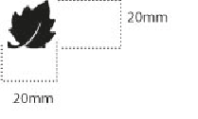 EMBROIDERY LEAF 20mm |  |  |  | LOCAL / MING SHYANG | Left Top sleeve | 1 | BLACK | ECLIPSE BLUE 30055 | LEATHER BROWN F785
LABELS OUTER JKT
 CLIMACTIVE LABELS |  |  | LW050-E | TRIPLE STAR | left side seam | 1 | BLACK
 MAIN LABELS |  |  | LW033-E | SML | Neckline / centered | 1 | ORANGE
SIZE WOVEN LABEL MMG MEN ALPHA/TOP |  |  | LWS18-01 | SML | Neckline / centered | 1 | STANDARD
Care Label & P.O. Label |  |  | LC011-E | SML | left side seam | 1 | WHITE satin
HANG TAG
 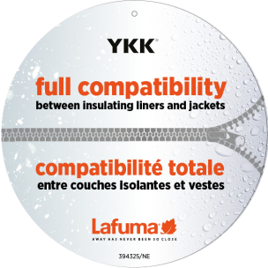 HANG TAG MIX & MATCH |  |  | HT394325/NE | TRIPLE STAR | FRONT ZIPPER | 1
 HANG TAG LOW IMPACT |  |  | HT394299-E | TRIPLE STAR |  | 1 | STANDARD
 HANGTAG LAFUMA CORPORATE |  |  | HT-394082-E | TRIPLE STAR | LEFT SIDE POCKET | 1 | STANDARD
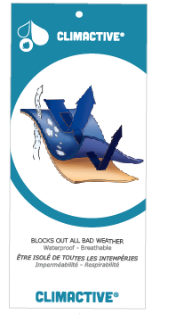 HANG TAG CLIMACTIVE |  |  | SMALL HT394146-E | TRIPLE STAR | INSERT ON CORPORATE HT | 1 | STANDARD
HANG TAG PFC FREE |  |  | HT394145-E | TRIPLE STAR |  | 1 | STANDARD
 GENCODE STICKER |  |  |  | LOCAL |  | 2
 POLYBAG |  |  |  | LOCAL |  | 1
 |  |  |  | LOCAL |  | 1

MARKING
 |  |  | MARKING |  |  |  | WINTER 2018/19
LFV11442 |  | ULSTER ZIP-IN JKT |  |  |  |  | INDEX | V1
DATE | 2020-01-03 |  | DEVELOPPER: | Marjorie |  |  | SUPPLIER : | PRIMA CHANNEL
DESIGNATION |  |  |  |  |  | POSITION
MARKING OUTER JKT
LAFUMA+楓葉繡花7.2cm
穿者前胸剪接下1.5cm
距門襟拉鍊1.5cm
EMBROIDERY LAFUMA 72mm |  |  |  |  | RIGHT TOP POCKET * VERTICAL POSITION : 1,5 cm from chest seam * ALONG FRONT ZIPPER : 1,5 cm from front zipper
楓葉繡花2cm
穿者左袖肩點下8cm
 EMBROIDERY LEAF 20mm |  |  |  |  | LEFT TOP SLEEVE * CENTRED: 8cm from top sleeve |  | 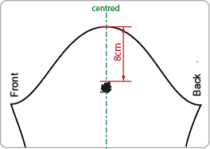
穿者左後脇邊下襬上7cm。
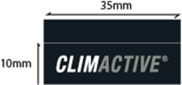 Label CLIMACTIVE |  |  |  |  | INSERT ON LEFT SIDE * VERTICAL POSITION : 7cm from bottom

JACKET SKETCH MEASUREMENTS
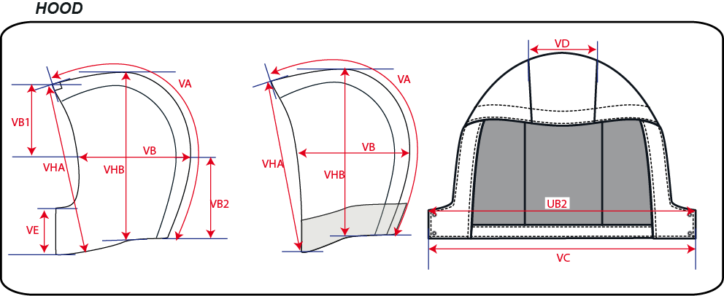
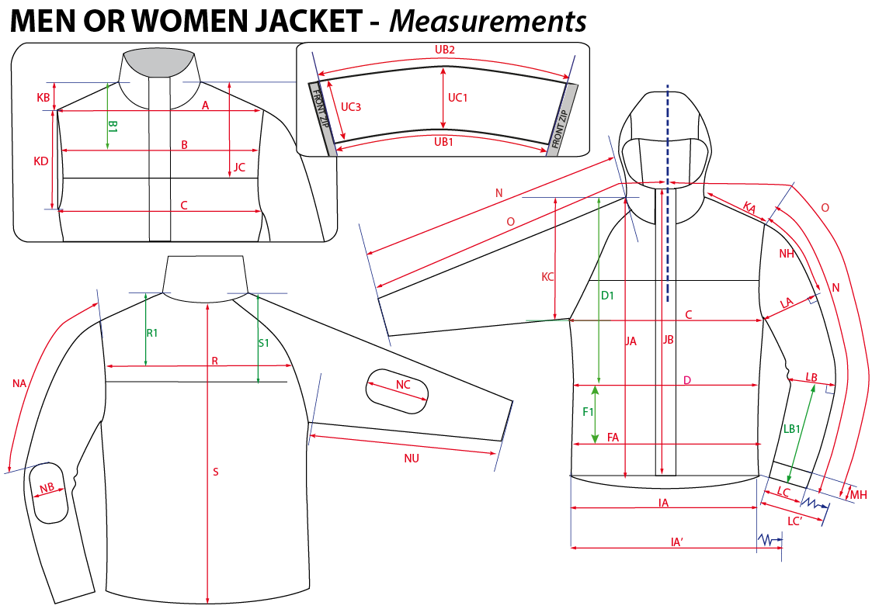
 |  | HOW TO TAKE MEASUREMENTS |  |  | WINTER 2018/19
LFV11442 |  | ULSTER ZIP-IN JKT |  |  |  | INDEX | V1
DATE | 2020-01-03 |  | DEVELOPPER: | Marjorie | SUPPLIER : |  | PRIMA CHANNEL

HANG TAGS
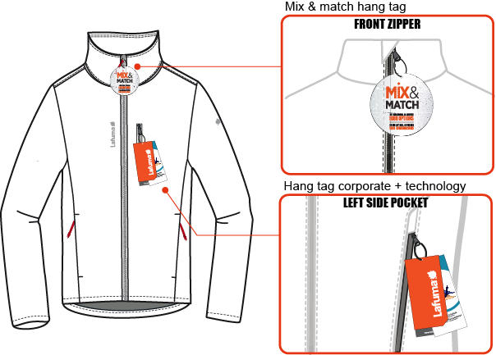
#VALUE! |  | HOW TO ATTACH HANG TAGS |  |  | WINTER 2018/19
LFV11442 |  | ULSTER ZIP-IN JKT |  |  |  | INDEX | V1
DATE | 2020-01-03 |  | DEVELOPPER: | Marjorie | SUPPLIER : |  | PRIMA CHANNEL

